pushrods
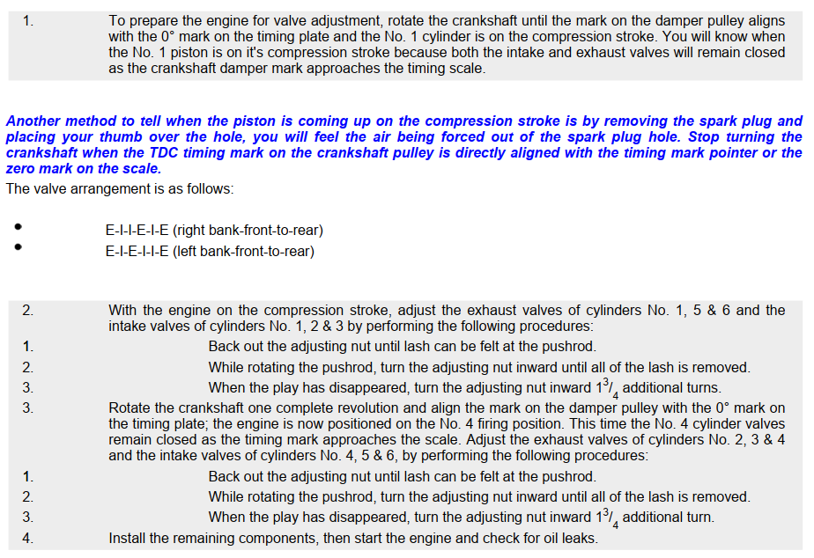
2 | 4 | 6 |  | 1 TDC
I | I | I |  | 4 TDC
E | E | E
 |  |  | rear
I | I | I
E | E | E
1 | 3 | 5

firing order
